READ ME
2016 National and State HAI Progress Report

Acute Care Hospitals

Introduction: | Welcome to the 2016 National and State HAI Progress Report using the new 2015 baseline and risk adjustment calculations. Standardized infection ratios (SIRs) are used to describe different HAI types
 | by comparing the number of observed infections to the number of predicted infections. This year's report will compare 2016 SIRs to those from the prior year.
 | This report is created by CDC staff with the National Healthcare Safety Network (NHSN).

 | This workbook includes national and state-specific SIR data for acute care hospitals (ACHs).

Scope of report: | HAI Types | ACH
 |  | National | State
 | Central line-associated bloodstream infections (CLABSI) by locations | þ | þ
 | Catheter-associated urinary tract infections (CAUTI) by locations | þ | þ
 | Ventilator-associated events (VAE) by locations | þ | þ
 | Surgical site infections (SSI)- All procedures for adults and pediatrics (using Complex Admission Readmission (A/R) model) | þ
 | * Surgical site infections (SSI)- Adult procedures only (using Complex AR model) |  | þ
 | Hospital-onset methicillin-resistant Staphylococcus aureus (MRSA) bacteremia by facility-wide reporting | þ | þ
 | Hospital-onset Clostridium difficile (CDI) by facility-wide reporting | þ | þ
 | *The Surgical Care Improvement Project (SCIP) procedures plus 5 of the most reported procedures nationally.

Profile of Acute Care Hospitals
Characteristics of Acute Care Hospitals Reporting to National Healthcare Safety Network (NHSN), 2016

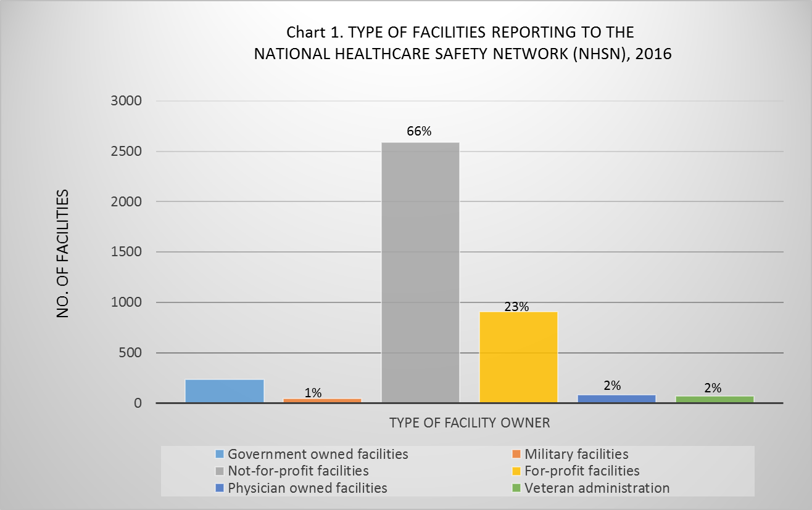
Table 1. Characteristics of acute care hospitals reporting to NHSN, 2016
Characteristics | 2016 Statistics
Number of facilities reporting to NHSN1 | 3,931
Total Number of hospital admissions | 139,694
Median number of beds | 135
Mean number of beds | 190
Median number of ICU beds | 12
Mean number of ICU beds | 28
Mean number of full time epidemiologists | 1.4

Table 1a. Number of reporting facilities by type, NHSN 2016
Type of hospital | No. (%)
Children's hospitals | 89 (2%)
General hospitals | 3448 (88%)
Military hospitals | 48 (1%)
Oncology hospitals | 17 (less than 1 percent)
Orthopedic hospitals | 30 (less than 1 percent)
6%
Psychiatric hospitals | 66 (2%)
Surgical hospitals | 125 (3%)
Veteran Administration hospitals | 82 (2%)
Women's hospitals | 13 (less than 1 percent)
Women and Child hospitals | 13 (less than 1 percent)

Table 1b. Median and Mean Number of beds by type of hospital, NHSN 2016
Type of hospital | Median No. of beds | Mean No. of beds
Children's hospitals | 181 | 197
General hospitals | 146 | 201
Military hospitals | 45 | 73
Oncology hospitals | 74 | 154
Orthopeadic hospitals | 29 | 47
Psychiatric hospitals | 72 | 109
Surgical hospitals | 22 | 39
Veteran Administration hospitals | 108 | 145
Women and Child hospitals | 243 | 252

Table 2. Total No. (%) of facilities affiliated with medical school, NHSN 2016
Medical School Affiliation | No. (%)
Total number of reporting facilities | 3,931
Yes | 1,798 (46%)
No | 2,133 (54%)

Table 2a. Total No. (%) of facilities affiliated with medical by type, NHSN 2016
Type of medical school affiliation | No. (%)
Graduate Medical School | 664 (37%)
Major Teaching School | 792 (44%)
Undergraduate Medical School | 342 (19%)

